solver
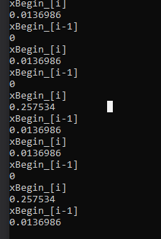
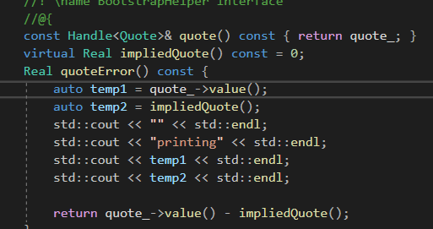

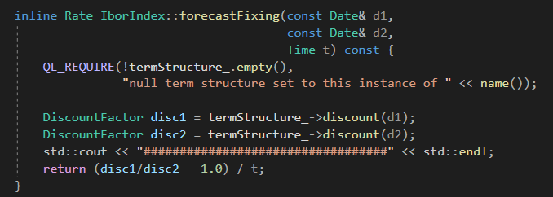

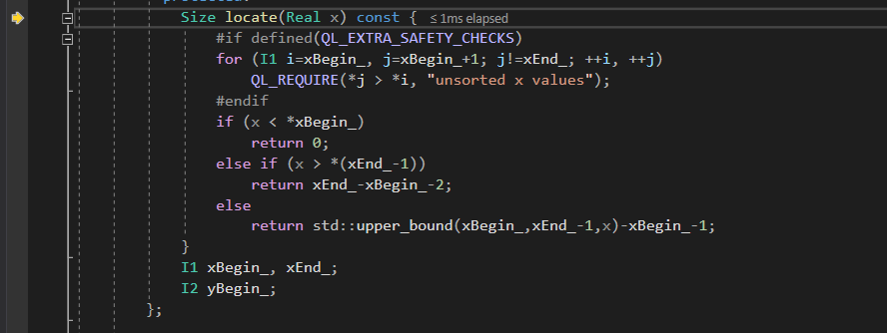
 |  |  | second df

i=0
yBegin_[i] is -1
x is 0.0109589041… | 0.01095890411 | 0.013698630137
xBegin_[i] is 0 | 0.25753424658
s_[i] is 0
Thus the result is
-1

LinearInterpolation.hpp
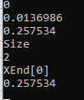
xBegin | Contains all the pillars of the curve |  | Update
XEnd | Contains only the end of xBegin | XEnd
yBegin | Contains all the values of the pillars, i.e. bootstrapped values

Interesting enough, it looks like like xBegin and yBegin are initialised with the size of the instruments

 |  | yBegin

FRARATEHELPER
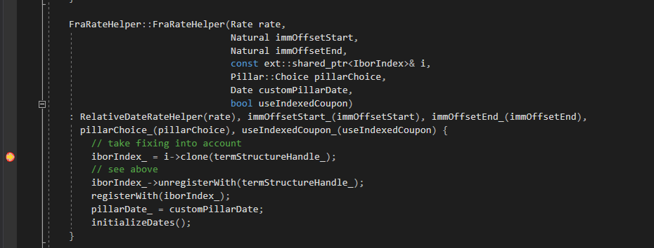
ImpledQuote |  | 9/18/2013
 |  | #VALUE!
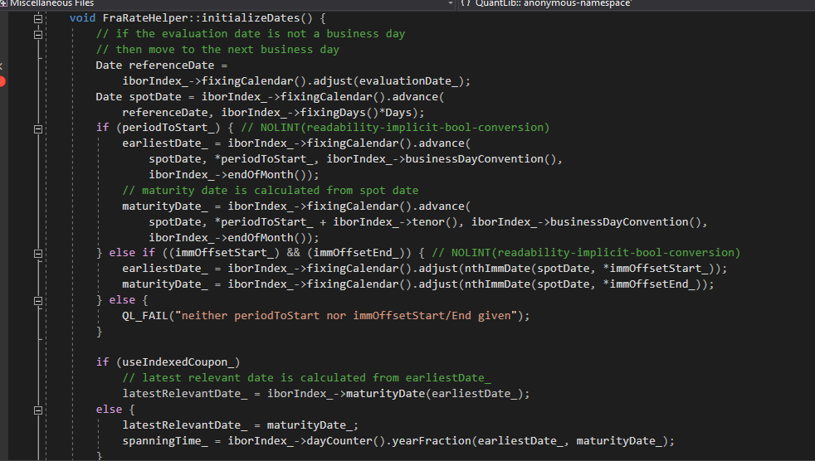
 | useIndexedCoupon_ is set to True

FixingDays
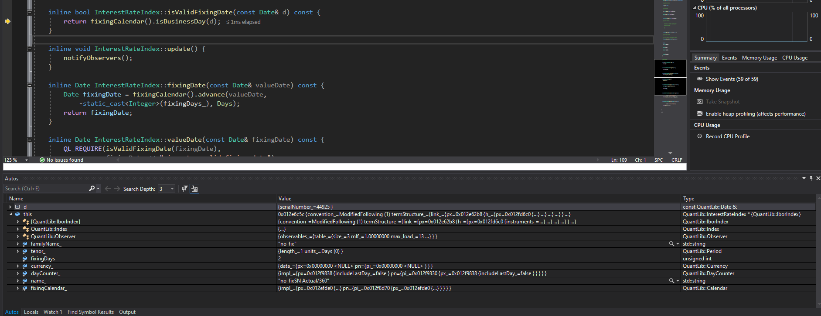
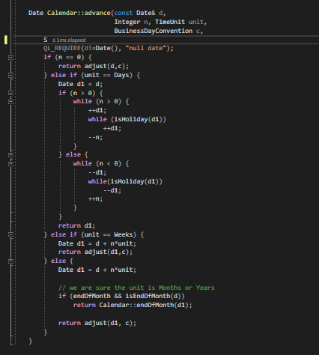

FixingDate is first set to the reference date, then it is used to find the valueDate

FixingDays21
